Location Plan
Intelligent Data Collection Limited

Client: | Bristol City Council
Project Number: | ID02343
Survey Location: | Robertson Road
Date of Survey: | 09.07.2015
Survey Type: | Pavement Count Survey

X Coordinate |  | Y Coordinate | Google Maps Link
51.469711 |  | -2.563458 | Click Here
AM Peak Conditions |  | Inter Peak Conditions | PM Peak Conditions
Sunny |  | Sunny | Sunny
Junction Layout
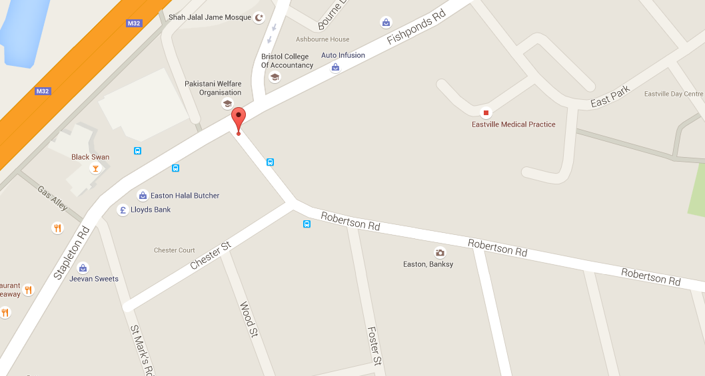
N

4

3

2
1

Additional Notes (Factors which may impact on survey results such as accidents, roadworks, special events)

